Script
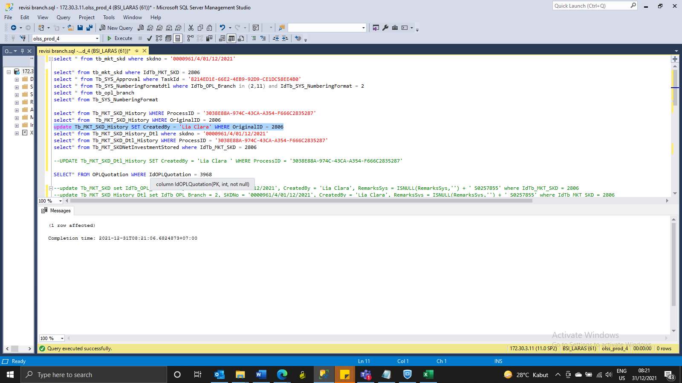
update Tb_MKT_SKD set IdTb_OPL_Branch = 2, SKDNo = '0000961/4/01/12/2021', CreatedBy = 'Lia Clara', RemarksSys = ISNULL(RemarksSys,'') + ' S0257855' where IdTb_MKT_SKD = 2806
update Tb_SYS_NumberingFormatdtl set LastNumber = 961, SysRemarks = ISNULL(SysRemarks,'') + ' S0257855' where IdTb_SYS_NumberingFormatDtl = 34
update Tb_SYS_NumberingFormatdtl set LastNumber = 310, SysRemarks = ISNULL(SysRemarks,'') + ' S0257855' where IdTb_SYS_NumberingFormatDtl = 43
update Tb_SYS_Approval set IdTb_OPL_Branch = 2, CreatedBy = 'Lia Clara', RemarksSys = ISNULL(RemarksSys,'') + ' S0257855' where TaskId = '8214ED1E-66E2-4EB9-92D9-CE1DC58EE4B0'

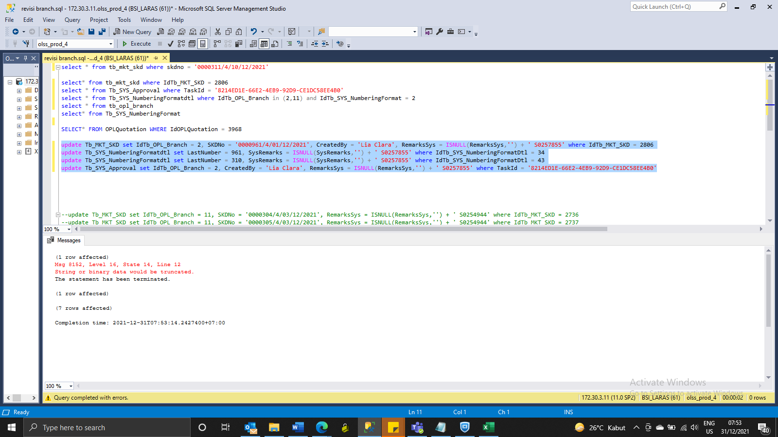

update Tb_SYS_NumberingFormatdtl set LastNumber = 961 where IdTb_SYS_NumberingFormatDtl = 34

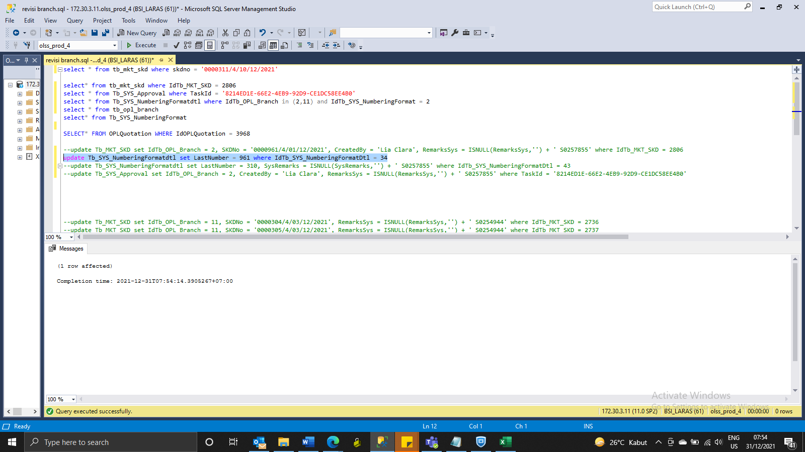

update Tb_MKT_SKD_History_Dtl set IdTb_OPL_Branch = 2, SKDNo = '0000961/4/01/12/2021', CreatedBy = 'Lia Clara', RemarksSys = ISNULL(RemarksSys,'') + ' S0257855' where IdTb_MKT_SKD = 2806

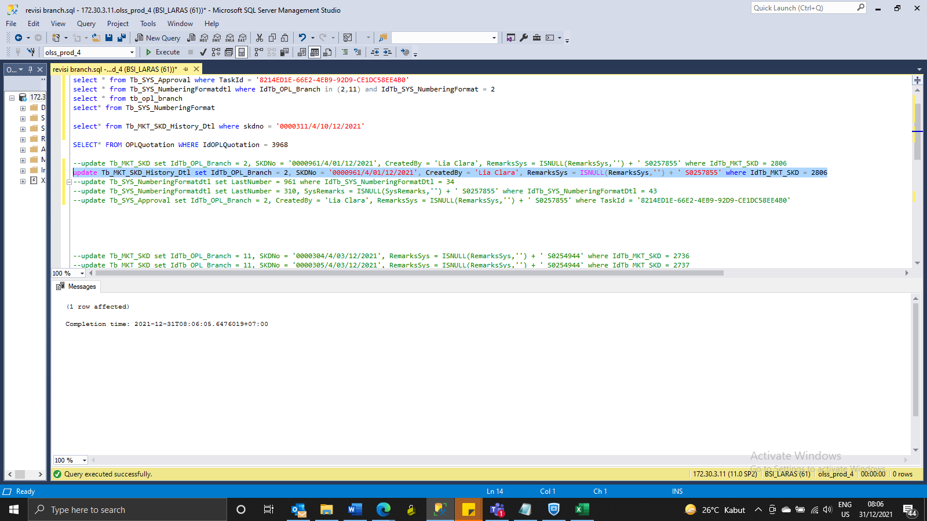

UPDATE Tb_MKT_SKD_Dtl_History SET CreatedBy = 'Lia ' WHERE ProcessID = '3038E88A-974C-43CA-A354-F666C2835287'

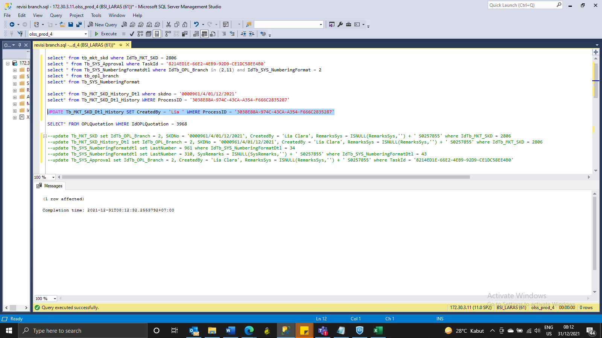

update Tb_MKT_SKD_History SET CreatedBy = 'Lia Clara' WHERE OriginalID = 2806

Screenshot
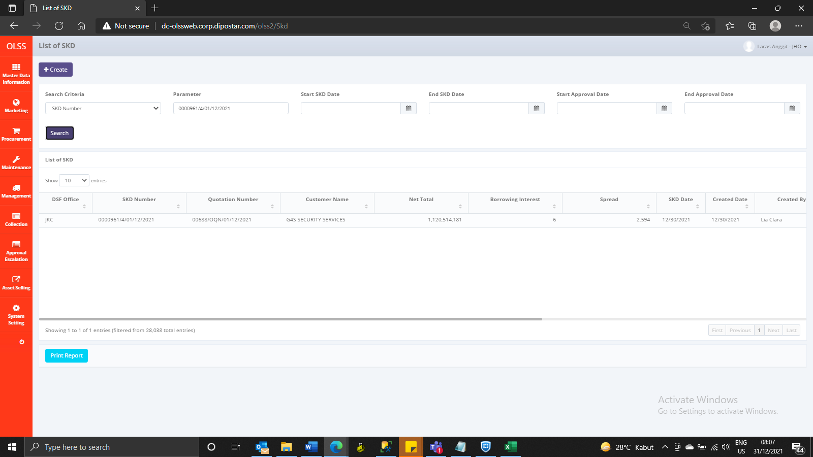
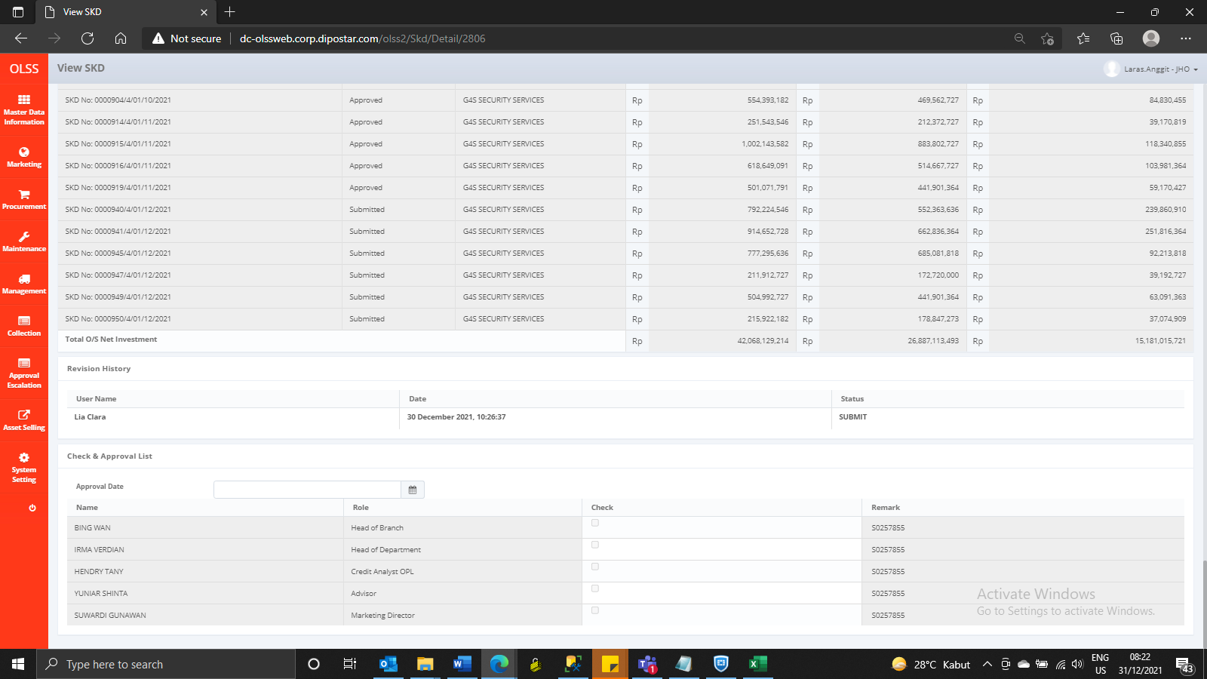
BEFORE



AFTER

